Unit Test Cases
Client: |  | Sunrise Brands
Client Code: |  | SRB
Test Cases Required: |  | 111
Test Cases Executed: |  | 69
Test Cases Passed: |  | 68
Test Cases Failed: |  | 0
% Complete: |  | 61.26%

Test Number | Scenario | Assignee | Status | Test Data | Date Complete | SRB Comments | Deposco Comments | In SOP Document?
 | Inbound |  |  | 2024-11-13
1 | Receive full PO into 1 LPN | SRB Team | Pass | RARM224313 | 2024-07-09 | Received Complete |  | Yes
2 | Over receive PO, send over receipt on inbond shipment/PO API and perform receipt | SRB Team | Pass | RARM224314 | 2024-07-17 | RAMY19959-600-08 | OZ put fix in for this, please retest.
3 | Receive partial PO and leave open - receive more product later | SRB Team | Pass | RAMY1995 | 2024-07-09 | Receive more in the same FGPO to test - RAMY1995
4 | Receive partial PO and leave open - rcv more product for the same line different shipmnt/bol | SRB Team | Pass | RAMY1995 | 2024-07-17 | BOL # SRBTEST4
5 | Multiple styles in one LPN | SRB Team | Pass | RAAZIA11 | 2024-07-18 | BOL # SRBTEST9
6 | Receive Customer Return - Returns Receiving Button | SRB Team | Pass |  |  | We need to wait for Outbound Orders, Deposco will provide shipped orders. | Validated on ecomm order RATESTREGULAR.
7 | Create one Master/Bulk Carton Label to receive to a Staging Location. | SRB Team | Pass |  |  | Liza working through test data to be able to test this.
8 | Receive damaged products Putaway - Damaged Button Putaway | SRB Team | Pass | RAAZIA09 |  | Moved cont./lpn 000001014361 to IN3
9 | Receive product to a container (LPN) receive the other items into a different container (LPN) - multi LPN test case | SRB Team | Pass | RAMY1995 |  | Is this the same as Row5? We tested receiving more product with a different container for this same FGPO
10 | Reprint LPN labels | SRB Team | Pass | SRB008 | 2024-07-26 | successfully reprinted LPN labels.
11 | Validate receipt line GETs | SRB Team | Pass |  |  | Marlon/Ephraim working on it.
12 | Perform PO receipt line GETs | SRB Team | Pass |  |  | Marlon/Ephraim working on it.
13 | Perform cancellations via API on a PO | SRB Team | Pass |  |  | Marlon/Ephraim working on it.
 | Move Stock |  |  | 2024-04-04
14 | Putaway from Receiving | SRB Team | Pass | SRB002 |  | Moved to: 050010A01
15 | Move stock - add multiple units of different products to cart and put away to the same location | SRB Team | Pass | SRB004 | 2024-07-22 | Moved units in LPN 000000994361/62 to 050016A01
16 | Move stock - add multiple units of different products to cart and put away to two different locations | SRB Team | Pass | SRB001 | 2024-07-29 | 000000994351/52/53 moved to 050020A01, 000000994354/55/56 to 050021A01
17 |  | SRB Team | Pass | martha1 | 2024-07-22 | Moved units in SRB008 to 050010A01 and 050012A01 But I can't see both locations when viewing SRB005 | Martha/Amber to revisit?
 | Move Container |  |  | 2024-04-04
18 | Putaway from Receiving | SRB Team | Pass | RAAZIA09 | 2024-07-12 | We moved a comp pallet to a location |  | Yes
19 | Move container - use move only stock to move contents of the pallet into to a new location | SRB Team | Pass | RARM224313 | 2024-07-15 | Moved ALL to: 050010A01
 | Cycle Count |  |  | 0/10
20 | Create Cycle Count task via scheduler - Count by Location | SRB Team | Open |  |  | MIS Function, need to test
21 | Create Cycle Count task manually via Handheld to be performed later - Count by Location | SRB Team | Open |  |  | MIS Function, need to test
22 | Create Cycle Count task manually via Handheld and perform immediately (on demand) | SRB Team | Pass
23 | Create Cycle Count task manually via UI PAL on Item | SRB Team | Open
24 | Perform a cycle count and capture same value found in location | SRB Team | Pass
25 | Perform a cycle count and capture value different from quantity found in location (double confirm) | SRB Team | Pass
26 | Perform a cycle count and skip a location that you are prompted to count | SRB Team | Pass
27 | Accept cycle count variances | SRB Team | In Progress
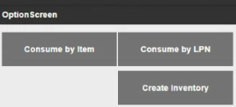
28 | Reject cycle count variances | SRB Team | Pass
29 | Trigger a recount of a completed cycle count task via Manage Cycle Count Variances | SRB Team | Pass
 | Adjust Inventory |  |  | 2024-04-04
30 | Consume all in location | SRB Team | Pass |  |  | Not an option under the Adjust Inventory.
31 | Consume some quantity of a particular item in a location | SRB Team | Pass |  |  | Martha completed.
32 | Consume all inventory in a specific container (LPN) | SRB Team | Pass |  |  | Martha completed.
33 | Returns***Interim solution | SRB Team | Pass |  |  | Can you please elaborate?
34 | Create inventory in a specific location | SRB Team | Pass |  |  | Martha completed.
 | Replenishment |  |  | 2024-02-05
35 | Create a storage Replenishment task via scheduler | SRB Team | Pass |  |  | On location view, replenishment report
36 | Perform replenishment move | SRB Team | Pass |  |  | On location view, replenishment report
37 | Create a demand prepick Replenishment task via scheduler | SRB Team | Pass |  |  | done
38 | Perform demand prepick replenishment | SRB Team | Pass |  |  | done
39 | Perform exception during Replenishment Putaway | SRB Team | Pass |  |  | done
40 | Inventory Adjustments GET | SRB Team | Open |  |  | Marlon/Ephraim working on it.
 | Build and Release Wave |  |  | 2024-08-09
41 | Build and Release wave manually by selecting orders | SRB Team | Pass |  |  | Manually waved SO192, SO189.
42 | Build and Release wave automatically via scheduler | SRB Team | Pass |  |  | Auto waved SO192, SO189.
43 | Build and Release wave where some orders are completely back ordered due to insufficient stock | SRB Team | Pass |  |  | SO189
44 | Build and Release Ecomm/DS Singles Order | SRB Team | Pass |  |  | Single-Ecomm/DS-MY1995BL24-240819-14:48:35-1
45 | Build and Release Ecomm/DS Multis Order | SRB Team | Pass |  |  | Multi-Ecomm/DS-240819-15:05:55-1
46 | Build and Release Ecomm/DS Priority | SRB Team | Ready to Test |  |  | We will be finalizing today/tomorrow with new orders Marlon is pushing for each Trading Partner.
47 | Build and Release Wholesale Batch Order | SRB Team | Pass |  |  | SO191
48 | Build and Release Prepick Order | SRB Team | Pass
49 | Build and Release Sample Order | SRB Team | Pass |  |  | SO197
 | Single Scan Picking |  |  | 2024-07-07
50 | Pick Ecomm/DS singles wave of single unit orders onto one cart | SRB Team | Pass |  |  | Picked wave Single-Ecomm/DS-MY1995BL24-240819-14:48:35-1.
51 | Pick wave of one Wholesale Order onto one pallet | SRB Team | Pass |  |  | DEP191
52 | Pick wave of one Sample Order onto one pallet | SRB Team | Pass |  |  | SO190
53 | Perform exception during picking when stock not found/damaged | SRB Team | Pass |  |  | SO197
54 | Attempt to scan invalid item during picking | SRB Team | Pass
55 | Attempt to scan invalid location during picking | SRB Team | Pass
56 | Attempt to pick quantity larger than allocated | SRB Team | Pass
 | Batch Picking |  |  | 2024-05-07
57 | Pick wave of ecomm/ds priority unit orders into designated bins | SRB Team | Pass |  |  | Multi-Ecomm/DS-240819-15:05:55-1
58 | Perform exception during picking when stock not found/damaged | SRB Team | Pass
59 | Create Cycle Count task via picking exception | SRB Team | Pass
60 | Attempt to scan invalid item during picking | SRB Team | Pass
61 | Attempt to scan invalid location during picking | SRB Team | Pass
62 | Attempt to scan invalid container/bin during picking | SRB Team | Pass
63 | Attempt to pick quantity larger than allocated | SRB Team | Ready to Test |  |  | We will be finalizing today/tomorrow with new orders Marlon is pushing for each Trading Partner.
 | Singles Packing |  |  | 2024-03-09
64 | Pack order from cart picked via Single Scan Picking | SRB Team | Pass
65 | Capture box dimensions during packing for Pack Order by Item (Preferred Pack if it is assigned) | SRB Team | Pass
66 | Print shipping label at the conclusion of packing | SRB Team | Ready to Test |  | Will need to be tested on Tues. | We will be finalizing today/tomorrow with new orders Marlon is pushing for each Trading Partner.
67 | Attempt to pack a multi unit order via Pack Order by Item (should not allow) | SRB Team | Ready to Test |  |  | We will be finalizing today/tomorrow with new orders Marlon is pushing for each Trading Partner.
68 | Back out of container during packing and re-scan container to continue | SRB Team | Pass
69 | Scan invalid items during Pack Order by Item | SRB Team | Pass
70 | Third Party Shipping | SRB Team | Ready to Test |  |  | We will be finalizing today/tomorrow with new orders Marlon is pushing for each Trading Partner.
71 | Print packing list at the conclusion of packing | SRB Team | Ready to Test |  | Will need to be tested on Tues. | We will be finalizing today/tomorrow with new orders Marlon is pushing for each Trading Partner.
72 | Print SSCC labels at the conclusion of packing | SRB Team | Ready to Test |  | Will need to be tested on Tues. | We will be finalizing today/tomorrow with new orders Marlon is pushing for each Trading Partner.
 | Multis Packing |  |  | 2024-02-06
73 | Pack order from cart picked via Batch Picking | SRB Team | Pass
74 | Pack Order into multiple containers | SRB Team | Pass
75 | Scan invalid items during Multis Packing | SRB Team | Pass
76 | Print shipping label at the conclusion of packing | SRB Team | Ready to Test |  | Will need to be tested on Tues. | We will be finalizing today/tomorrow with new orders Marlon is pushing for each Trading Partner.
77 | Print packing list at the conclusion of packing | SRB Team | Ready to Test |  | Will need to be tested on Tues. | We will be finalizing today/tomorrow with new orders Marlon is pushing for each Trading Partner.
78 | Print SSCC labels at the conclusion of packing | SRB Team | Ready to Test |  | Will need to be tested on Tues. | We will be finalizing today/tomorrow with new orders Marlon is pushing for each Trading Partner.
 | Wholesale Packing |  |  | 2024-04-07
79 | Pack an order picked into a bin via Wholesale Packing | SRB Team | Pass
80 | Pack a large order picked alone to a cart via Wholesale Packing | SRB Team | Pass
81 | Capture box dimensions during Wholesale Packing | SRB Team | Pass
82 | Use New Bin functionality to create multiple shipping containers for one order | SRB Team | Pass
83 | Print shipping label(s) at conclusion of packing | SRB Team | Ready to Test |  | Will need to be tested on Tues. | We will be finalizing today/tomorrow with new orders Marlon is pushing for each Trading Partner.
84 | Print SSCC labels at the conclusion of packing | SRB Team | Ready to Test |  | Will need to be tested on Tues. | We will be finalizing today/tomorrow with new orders Marlon is pushing for each Trading Partner.
85 | Scan invalid items during Single Scan Packing | SRB Team | Ready to Test |  | Will need to be tested on Tues. | We will be finalizing today/tomorrow with new orders Marlon is pushing for each Trading Partner.
 | Assign Trip to Container |  |  | 2024-01-01
86 | Close trip for wholesale order by scanning containers to dock door | SRB Team | Pass
 | Void and Reprocess Shipment
87 | Void and Reprocess one Shipment | SRB Team | Ready to Test |  |  | We will be finalizing today/tomorrow with new orders Marlon is pushing for each Trading Partner.
 | SSCC Labels (UCC-128)
88 | Zappos | SRB Team | Open |  |  | *Only checked format, not data.
89 | VonMaur | SRB Team | Open |  |  | *Only checked format, not data.
90 | Saks | SRB Team | Open |  |  | *Only checked format, not data.
91 | Nordstrom | SRB Team | Open |  |  | *Only checked format, not data. 3rd Address line missing on the FROM section
92 | Neiman Marcus | SRB Team | Open |  |  | *Only checked format, not data. Zip code line missing on the FROM section (3rd line)
93 | Macys/Bloom | SRB Team | Open |  |  | *Only checked format, not data.
94 | Garnet Hill | SRB Team | Open |  |  | *Only checked format, not data.
95 | Dillards | SRB Team | Open |  |  | *Only checked format, not data.
96 | Beals FL | SRB Team | Open |  |  | *Only checked format, not data.
97 | Beals Outlet | SRB Team | Needs Info |  |  | Awaiting specs, AS: I see the Sample in the SSCC Folder, do you need a different label?
98 | Amazon | SRB Team | Open |  |  | *Only checked format, not data.
 | Packing Slips
99 | Bloomingdales ds | SRB Team | Open |  |  | *Only checked format, not data. 1: Pick Tick* (to be corrected to *ticket*) Barcode is missing, 2: returns barcode with reserv# and desc. 3: Description on the item line is missing. 4: Order Number should be CONTRACT NUMBER (CPO) | SN - Changes made as requested
100 | ECOM | SRB Team | Open |  |  | *Only checked format, not data. | SN - Changes made as requested
101 | Macys DS | SRB Team | Open |  |  | *Only checked format, not data. 1: PT Barcode is missing, 2: Customer Order#/Reserv# should come from cmmnts- SRB TEAM?
102 | Nordstrom DS | SRB Team | Open |  |  | *Only checked format, not data.
103 | Generic DS | SRB Team | Open |  |  | *Only checked format, not data. 1: Qty Column, remove decimals.3: Please remove time stamp on Pick Date | SN - Changes made as requested
104 | Generic Reg | SRB Team | Open
105 | Dillards DS | SRB Team | Open |  |  | *Only checked format, not data. 1: Customer Order# should come from cmmnts- SRB TEAM?, 2: Qty Column, remove decimals.3: Style column, should be the complete Style Number/Color
106 | Nordstrom Rack DS | SRB Team | Open |  |  | RM
107 | Neiman Marcus DS | SRB Team | Open |  |  | *Only checked format, not data. 1: Missing Style Desciption and UPC#, 2: Pick Ticket Barcode. missing
108 | Antrho DS | SRB Team | Open |  |  | *Only checked format, not data. TEAM: Are we not having the bill to acct # added ANTHDS?
109 | GovX DS | SRB Team | Open |  |  | *Only checked format, not data.
110 | Nexdr DS | SRB Team | Open |  |  | *Only checked format, not data. 1: Customer Order# should come from cmmnts- SRB TEAM?, 2: Qty Column, remove decimals.
 | Reports
111 | Storage min/max view (show stock qty) - look at replenishment report view on Location | SRB Team | Open |  |  | On location view, replenishment report

Packing Slip Mapping
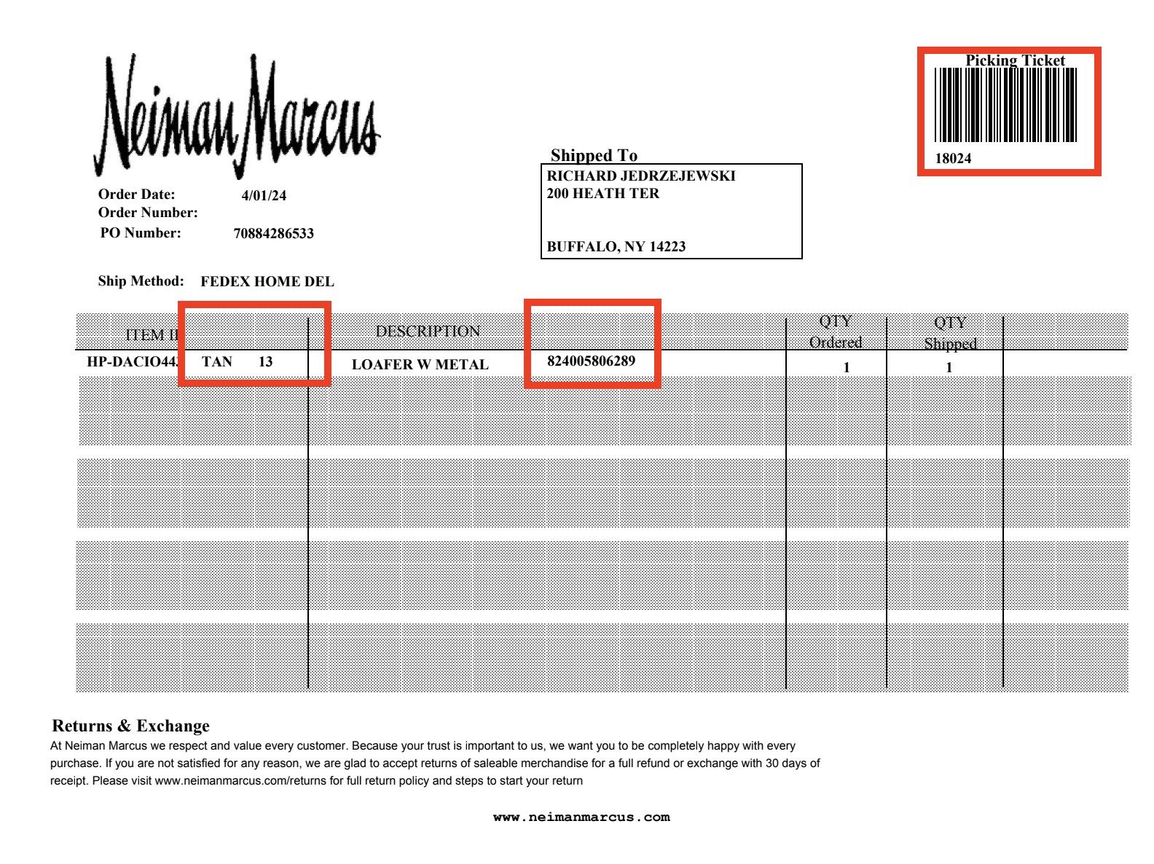
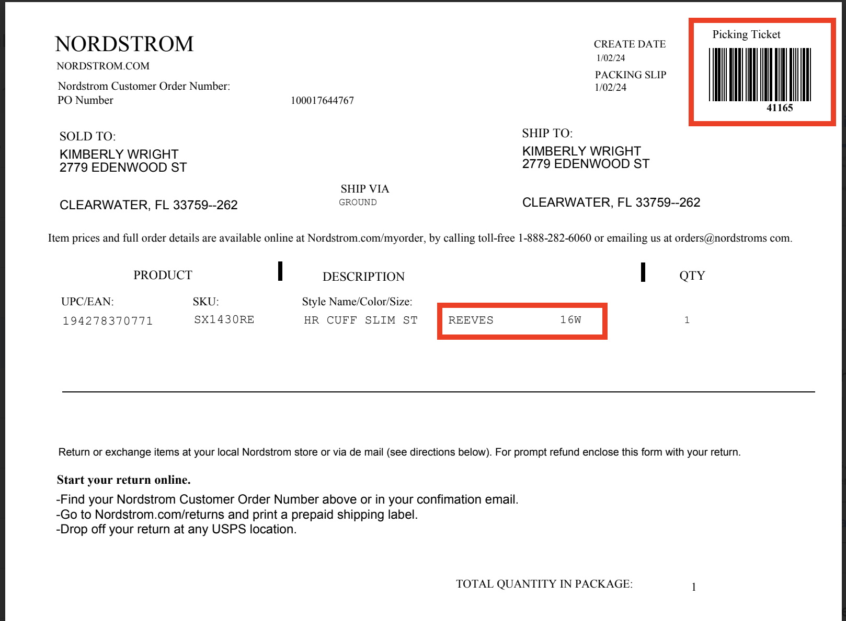
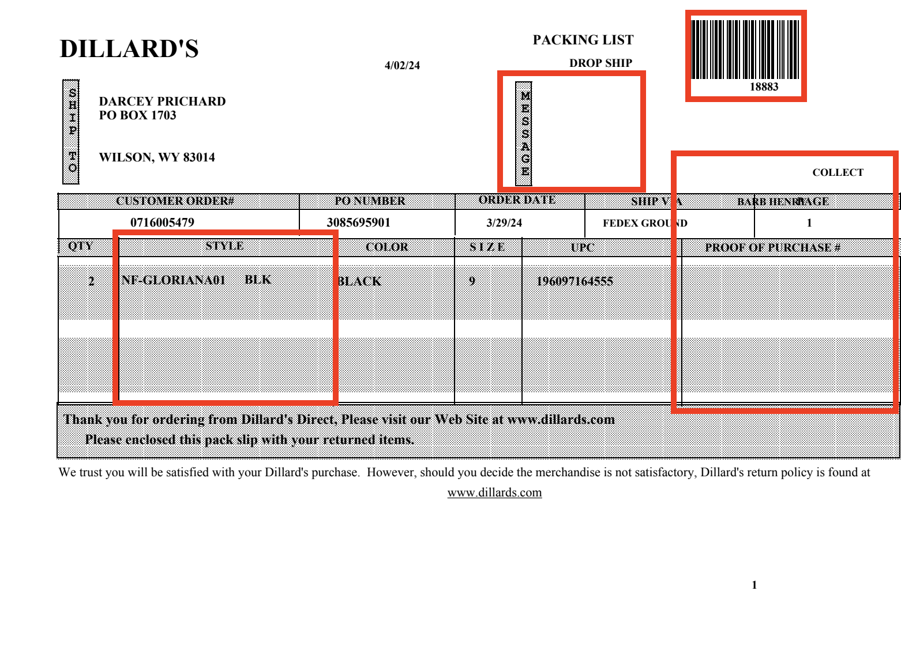
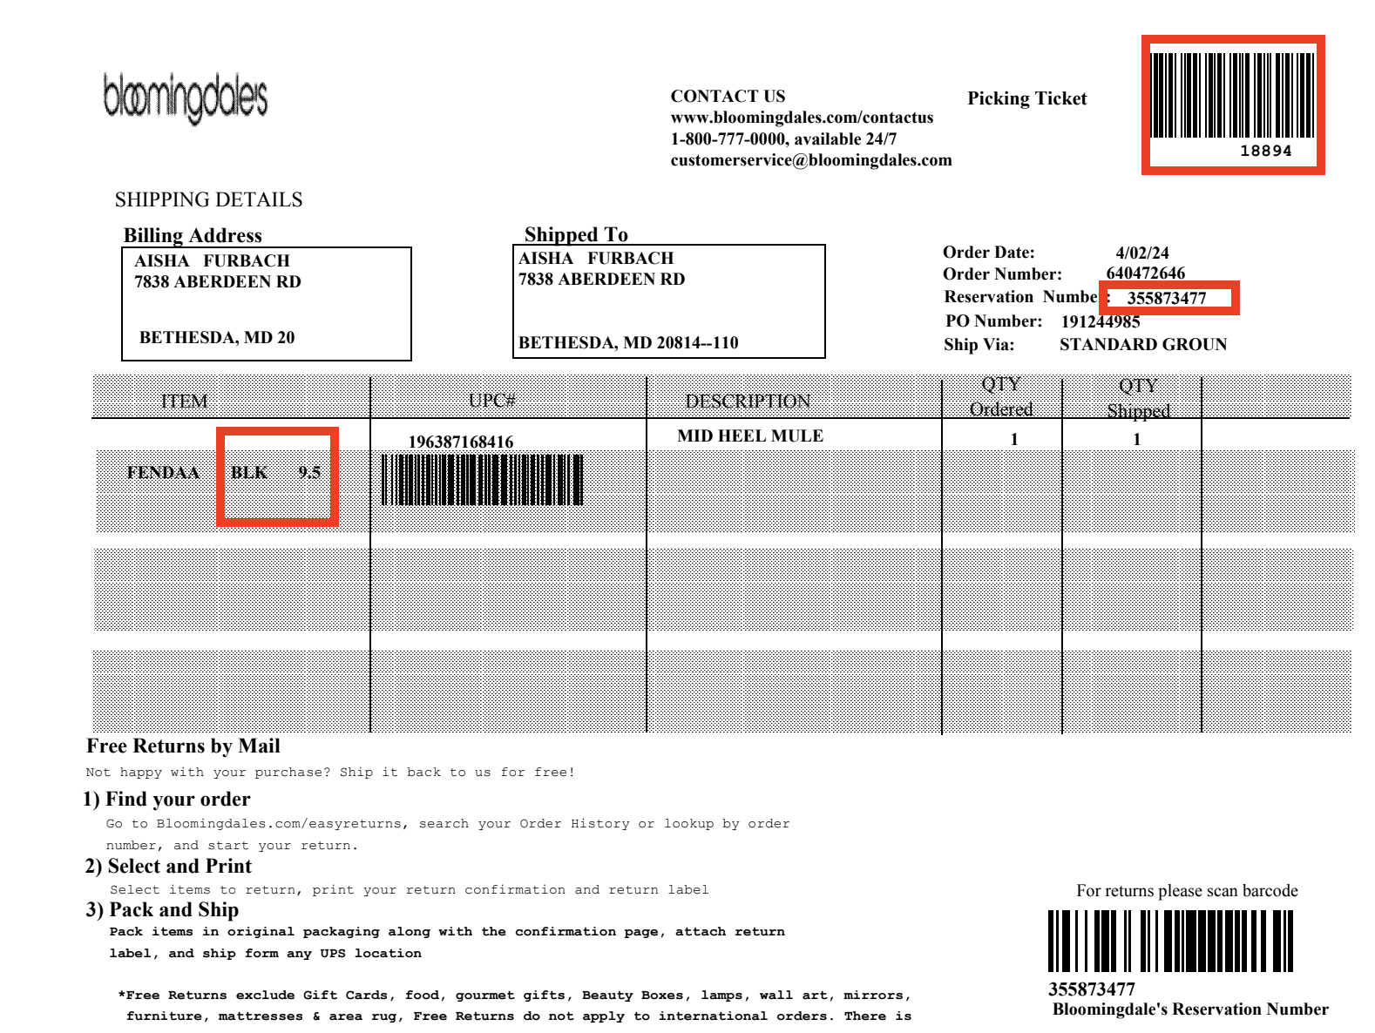
Report | Packing Slip Fields | Deposco Fields
Bloomingdales DS | Reservation number | orderheader.notes.body where title= Reservation Number
ECOM | "1405144 SPLIT" in the example *** | orderheader.notes.body
Generic Reg (Need to print this during ATTC) | Sales Rep name | remove
 | Terms and Freight Terms | remove
 | Other charges | remove
 | B.O.L number | shipment.trackingNumber
 | Invoice number | remove
Nordstrom Rack DS | Barcode with "002" in the middle
 | Other charges | remove
 | B.O.L number
 | Invoice number | remove
 | Freight | remove
 | Other charges | remove
Neiman Marcus DS | Number next to description. Assumption made that this is UPC.
Anthropologie DS | 'ANTHDS" below Ship Via | remove
*** | Please note that the majority of ATS, Boutiques, Major accounts have notes and we need to print that information in the packing slip
 | at the bottom of the form. We are sending the Notes in a field called "Body" in the sales order
Nordstrom | PO Number | OH.ContractNumber
 | Return Address | Facility Address
 | Sold To | OH.ShipToAddress
 | Returns Validator Barcode on the top right for ALL packing slips | OH.importType
 | Nordstrom Customer Order Number | Body of Noted Attached to order. (title of note will be 'Comment 3')
 | Sku, Style, Description Row needs to be stretched to the right so everything is on one line | UPC, Style Number, and Description

Macys/Bloomingdales/Bloomingdale's Outlet | UPC | Item.UPC,
 |  | Style Name, Style Number, Color, Size
 | Order Number | Notes.body comment 3
 | Reservation Number | Notes.body comment 4
 | Barcode near bottom left under UPC column | Remove, not needed
 | Barcode at the very bottom | Barcode of the reservation number (notes.title= comment 4)
 | Billing Address | OH.shipToAddress
Neiman Marcus | Ensure this is formatted as Landscape
 | Item Id | Item.Style,Color,Size
 | Description | Item.StyleName,UPC
 | Order Date | Shipment.createdDate
Dillards | Customer Order Number | one of the comments TBD
Generic/Ecomm DropShip (ECOMM-GENERIC-SAMPLE) | ECOMMRM | OH.accountNumber
 | value on bottom left | Any notes on the order
Generic for all shipments besides Ecomm/DS (REGULARS-GENERIC-SAMPLES) | Style | Item.styleNumber
 | Sizes

Report | UCC Label Fields | Deposco Fields
Macy's Label | PO Number | OH.contractNumber
 | Department | OH.CA7
 | Store | OH.shipToAttention
 | Store City | Trading Partner Site Address.city?
 | Store Address | concat Trading Partner Site Address.line1, city, state, zip
 | SSCC Display | Container/ContainerHist.lpnNumber Extend barcode for container number
 | MTYP | Body of Noted Attached to order. (title of note will be 'comment 9')
 | store number | OH.shipToAttention
 | Address in the top right | OH.shipToAddress

Bloomingdales | same as Macy's

Neiman Marcus | Division | Body of Noted Attached to order. (title of note will be 'comment 9')
 | store number | OH.shipToAttention

Nordstrom | Vendor # | TP.contactName
 | DC # | OH.shipToContactName
 | BOL | will be left blank that's fine
 | Pro | will be left blank that's fine

Generic | used for boutiques/mom and pop B2B, can re-use the label used for Von Maur

Dillards | Pack for store # | OH.shipToAttention

Von Maur | same as other label mappings

Amazon | Ship To Address | OH.shipTo Address
 | To: | Amazon.com
 | Item Description | if single SKU carton, use item description. if mixed SKU carton, just say "Mixed SKU"
 | Carton Logistic Barcode | Expand barcode
 | Pro# | trip.bolNumber, not required
 | B/L | trip.bolNumber, not required
 | ARN | Trip.licenseNumber (labeled as "Load ID")
 | expiration date | not needed
 | Single Asin Number | item UPC number
Belk

Saks | GRP Number | Body of Noted Attached to order. (title of note will be 'comment 9')
 | top barcode | OH.shipToPostalCode
 | middle barcode | OH.shipToAttention
 | lower barcode | SSCC Number (lpn number)

Garnett Hill | top barcode | OH.shipToPostalCode
 | middle barcode | OH.contractNumber
 | lower barcode | SSCC Number (lpn number)

Zappos | top barcode | OH.shipToPostalCode
 | middle barcode | OH.contractNumber
 | lower barcode | SSCC Number (lpn number)
 | Product Type | Body of Noted Attached to order. (title of note will be 'comment 9')
 | Ship Date | Shipment.createdDate

Go Live Issue Tracker
Date Reported | Issue Log | Status | Owner | Comment | Solution
2024-10-14 | Add validation in Prepick picking to only allow picking into containers that start with CTN | Moved to Ticket Portal | Nidhi
2024-10-14 | Add validation in SS Picking and Batch Picking to only allow picking into containers that start with BIN | Moved to Ticket Portal | Nidhi | Nidhi set up validation for SS Picking
2024-10-14 | Do not autopopulate dims for singles, dropship, and ecomm orders | Moved to Ticket Portal | Nidhi
2024-10-16 | Move CA6 POI rule to Automation Rules | Moved to Ticket Portal | Nidhi
2024-10-17 | Packing Slip Updates - Generic Regular/Non-Dropship Major Accounts | Moved to Ticket Portal | Sahil | Would like to a see a single row per style number and then columns of shipped qty per size (Small, Medium, Large, XL, etc), Readable Return Barcode | need to revise and get these to show the sizes better
2024-10-17 | Non grocery packing packing should have pack remiander button, grocery scan should not | Moved to Ticket Portal | Sahil | Grocery Scan Packing will not have the pack remainder button
2024-10-17 | Waves are being marked as Released even though there are no work groups on there or pick tasks and the order is back ordered | Moved to Ticket Portal | JM
2024-10-17 | Boutiquw wholesale orders should be getting freight terms type as Prepaid not Collect | Open | Confirm with SRB team | Is this still happening? Have the necessary changes been made to sent Freight Terms Type= Prepaid when posting orders
2024-10-17 | Exception Pick - When a pick is exceptioned the eligible location is not honored. example S06538 | Moved to Ticket Portal | JM | this is a base Deposco issue which will require development. Deposco team will create workaround options and present to SRB team, ticket: https://deposco.atlassian.net/browse/DEPWMS-4477
2024-10-17 | ATTC update for it to show Carton not pallet | Validation | SRB | 10/17: JM updated the screen to say Carton instead of Pallet, flipping to SRB to validate.
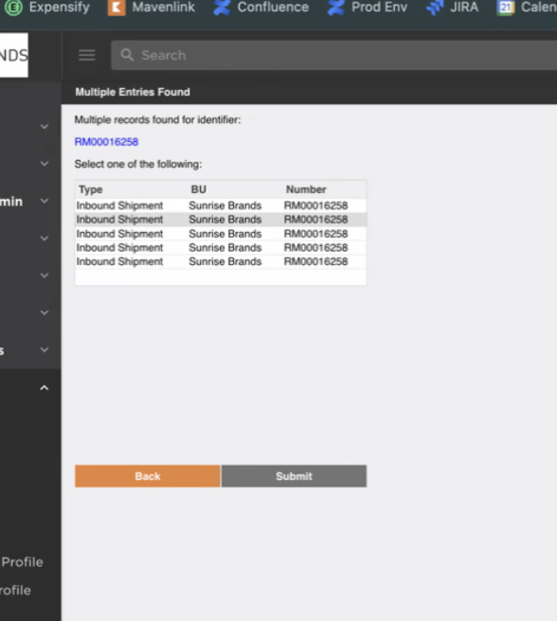
2024-10-21 | In ASN Receiving, remove Type and BU columns, and add # of Cartons per shipment next to the Inbound Shipment Number. Refer to the picture->> | Moved to Ticket Portal | Nidhi
2024-10-22 | Investigate why Inbound Shipments are being linked to Order Header over and over (example RM000162740823 is linked to its PO 95 times. it only has 20 containers. it should only be linked 1 time). This issue is causing the Shipment to duplicate on the Purchasing UI view which shows the total carton count per shipment | Moved to Ticket Portal | Sahil | 10/22: Sahil investigating 10/23: Internal ticket created
2024-10-22 | Investigate why containers are getting moved to system generated containers that start with Stage-- ""no picked orders in staging container" | Moved to Ticket Portal | JM | Happens when a container with stock also has multiple inner containers. Not sure yet why that occurs sometimes.
2024-10-24 | Check API URL to send Inventory Adjustments to return location or set up a Data Exchange | Moved to Ticket Portal | DEP
2024-10-24 | Prevent auto enter of the weight after it popualtes during packing | Validation | SRB | 10/24: Nidhi updated screen tabbing in UA, and it is ready for SRB to test
 | Update Zappos Label to add Prefix in front of MTYP based on criteria in screenshot on the right->>> | Moved to Ticket Portal | Nidhi

